Sheet1
No | Type | Part Number | Title | Application Summary | Vehicle W/o Engine | Vehicle W/ Engine | OEM | Picture | Url
1 | Driveshaft / Prop Shaft | 65-1000 | Driveshaft / Prop Shaft - 65-1000 | Buick Enclave 2017-08; Chevrolet Traverse 2017-09; GMC Acadia 2017-07 | Buick Enclave 2008-2017 Chevrolet Traverse 2009-2017 GMC Acadia 2007-2017 | Buick Enclave 2008-2017 3.6L V6 217cid/3564cc Naturally Aspirated Chevrolet Traverse 2009-2017 3.6L V6 217cid/3564cc Naturally Aspirated GMC Acadia 2007-2016 3.6L V6 217cid/3564cc Naturally Aspirated GMC Acadia 2017 3.6L V6 222cid Naturally Aspirated | 25995544;25995545;23167530 | 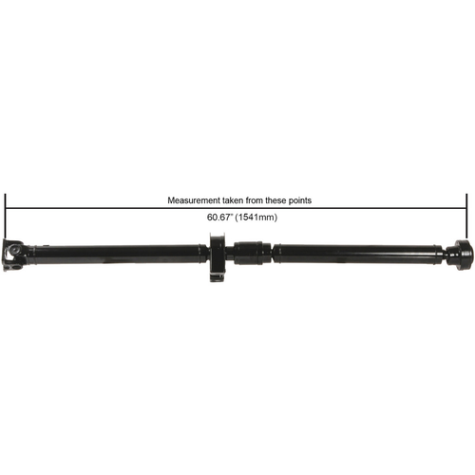 | https://www.cardone.com/product/driveshaft-prop-shaft-65-1000
2 | Driveshaft / Prop Shaft | 65-1001A | Driveshaft / Prop Shaft - 65-1001A | Chevrolet Equinox 2007-05; Pontiac Torrent 2007-06 | Chevrolet Equinox 2005-2007 Pontiac Torrent 2006-2007 | Chevrolet Equinox 2005-2007 3.4L V6 207cid Naturally Aspirated Pontiac Torrent 2006-2007 3.4L V6 207cid Naturally Aspirated | 19259831 | 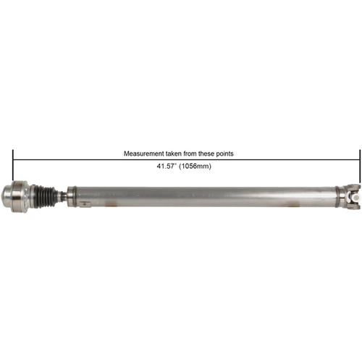 | https://www.cardone.com/product/driveshaft-prop-shaft-65-1001a
3 | Driveshaft / Prop Shaft | 65-1001B | Driveshaft / Prop Shaft - 65-1001B | Chevrolet Equinox 2007-05; Pontiac Torrent 2007-06 | Chevrolet Equinox 2005-2007 Pontiac Torrent 2006-2007 | Chevrolet Equinox 2005-2007 3.4L V6 207cid Naturally Aspirated Pontiac Torrent 2006-2007 3.4L V6 207cid Naturally Aspirated | 19259831 | 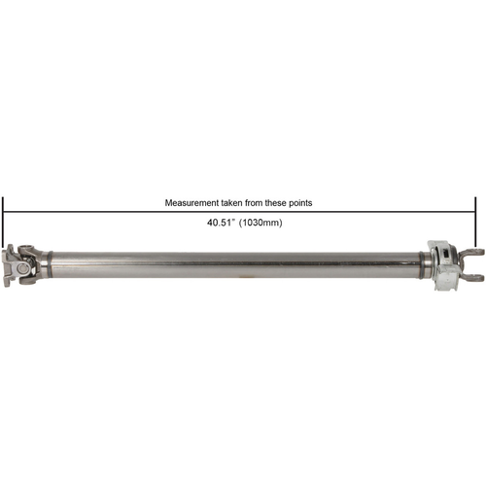 | https://www.cardone.com/product/driveshaft-prop-shaft-65-1001b
4 | Driveshaft / Prop Shaft | 65-1002 | Driveshaft / Prop Shaft - 65-1002 | Cadillac CTS 2007-04 | Cadillac CTS 2004-2007 | Cadillac CTS 2004-2007 3.6L V6 217cid/3564cc Naturally Aspirated Cadillac CTS 2005-2007 2.8L V6 170cid/2792cc Naturally Aspirated | 25773495;25773497;25751875 | 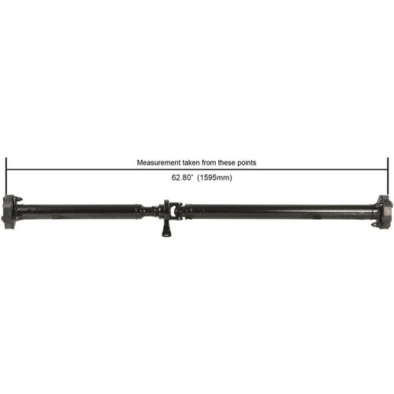 | https://www.cardone.com/product/driveshaft-prop-shaft-65-1002
5 | Driveshaft / Prop Shaft | 65-1003 | Driveshaft / Prop Shaft - 65-1003 | Cadillac CTS 2014-08, SRX 2009-04, STS 2011-05 | Cadillac CTS 2008-2014 Cadillac SRX 2004-2009 Cadillac STS 2005-2011 | Cadillac CTS 2008-2014 3.6L V6 217cid/3564cc Naturally Aspirated Cadillac CTS 2010-2014 3.0L V6 182cid Naturally Aspirated Cadillac CTS 2014 2.0L L4 122cid/1998cc Turbocharged Cadillac SRX 2004-2009 3.6L V6 217cid/3564cc Naturally Aspirated Cadillac SRX 2004-2009 4.6L V8 281cid Naturally Aspirated Cadillac STS 2005-2010 4.6L V8 281cid Naturally Aspirated Cadillac STS 2005-2011 3.6L V6 217cid/3564cc Naturally Aspirated | 25768518;15212141 | 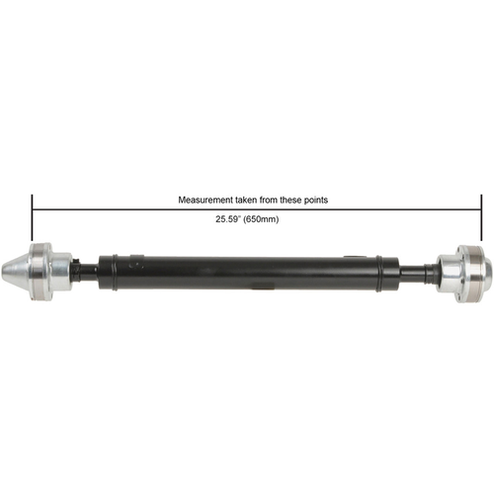 | https://www.cardone.com/product/driveshaft-prop-shaft-65-1003
6 | Driveshaft / Prop Shaft | 65-1004 | Driveshaft / Prop Shaft - 65-1004 | Cadillac CTS 2004-03 | Cadillac CTS 2003-2004 | Cadillac CTS 2003-2004 3.2L V6 197cid Naturally Aspirated | 25752724 | 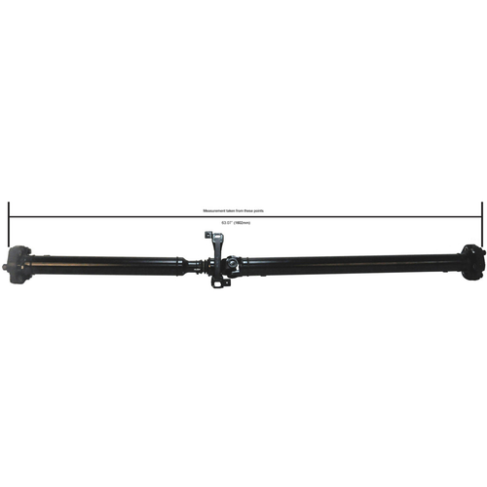 | https://www.cardone.com/product/driveshaft-prop-shaft-65-1004
7 | Driveshaft / Prop Shaft | 65-1005 | Driveshaft / Prop Shaft - 65-1005 | Cadillac SRX 2016-10 | Cadillac SRX 2010-2016 | Cadillac SRX 2010-2011 2.8L V6 170cid/2792cc Turbocharged Cadillac SRX 2010-2011 3.0L V6 182cid Naturally Aspirated Cadillac SRX 2011 3.0L V6 183cid/2997cc Naturally Aspirated Cadillac SRX 2012-2016 3.6L V6 217cid/3564cc Naturally Aspirated Cadillac SRX 2014 3.6L V6 220cid/3600cc Naturally Aspirated | 22885388 | 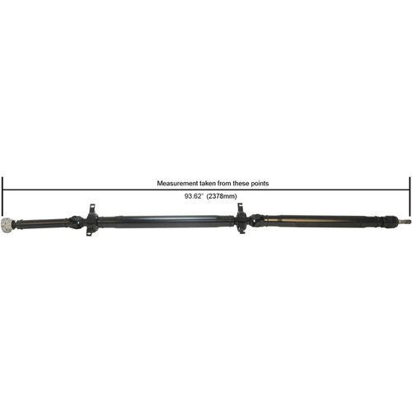 | https://www.cardone.com/product/driveshaft-prop-shaft-65-1005
8 | Driveshaft / Prop Shaft | 65-1006 | Driveshaft / Prop Shaft - 65-1006 | Chevrolet Silverado 1500 2013-07; GMC Sierra 1500 2013-07 | Chevrolet Silverado 1500 2007-2013 GMC Sierra 1500 2007-2013 | Chevrolet Silverado 1500 2007-2013 4.3L V6 262cid Naturally Aspirated Chevrolet Silverado 1500 2007-2013 4.8L V8 294cid Naturally Aspirated Chevrolet Silverado 1500 2007-2013 5.3L V8 325cid/5328cc Naturally Aspirated Chevrolet Silverado 1500 2007-2013 6.0L V8 364cid/5967cc Naturally Aspirated Chevrolet Silverado 1500 2009-2013 6.2L V8 376cid/6162cc Naturally Aspirated GMC Sierra 1500 2007-2013 4.3L V6 262cid Naturally Aspirated GMC Sierra 1500 2007-2013 4.8L V8 294cid Naturally Aspirated GMC Sierra 1500 2007-2013 5.3L V8 325cid/5328cc Naturally Aspirated GMC Sierra 1500 2007-2013 6.0L V8 364cid/5967cc Naturally Aspirated GMC Sierra 1500 2009-2013 6.2L V8 376cid/6162cc Naturally Aspirated | 15794277;20912697 | 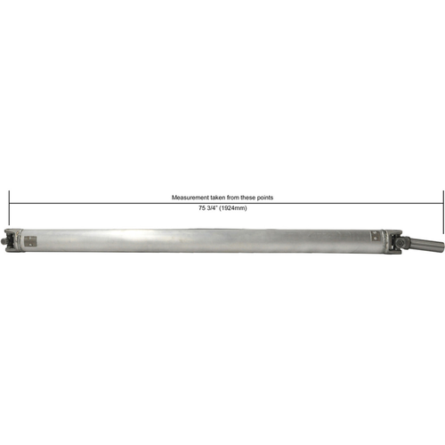 | https://www.cardone.com/product/driveshaft-prop-shaft-65-1006
9 | Driveshaft / Prop Shaft | 65-1007 | Driveshaft / Prop Shaft - 65-1007 | Cadillac CTS 2014-08 | Cadillac CTS 2008-2014 | Cadillac CTS 2008-2014 3.6L V6 217cid/3564cc Naturally Aspirated Cadillac CTS 2010-2014 3.0L V6 182cid Naturally Aspirated Cadillac CTS 2014 2.0L L4 122cid/1998cc Turbocharged | 15845613;22819507;10385629 | 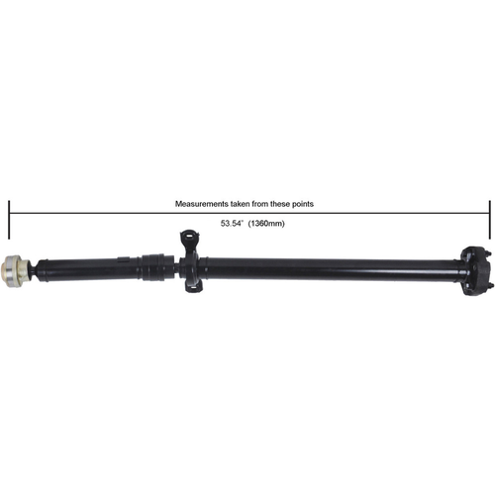 | https://www.cardone.com/product/driveshaft-prop-shaft-65-1007
10 | Driveshaft / Prop Shaft | 65-1008 | Driveshaft / Prop Shaft - 65-1008 | Cadillac Escalade 2008-07; Chevrolet Tahoe 2008-07; GMC Yukon 2008-07 | Cadillac Escalade 2007-2008 Chevrolet Tahoe 2007-2008 GMC Yukon 2007-2008 | Cadillac Escalade 2007-2008 6.2L V8 376cid/6162cc Naturally Aspirated Chevrolet Tahoe 2007-2008 4.8L V8 294cid Naturally Aspirated Chevrolet Tahoe 2007-2008 5.3L V8 325cid/5328cc Naturally Aspirated Chevrolet Tahoe 2008 6.0L V8 364cid/5967cc Naturally Aspirated Chevrolet Tahoe 2008 6.2L V8 376cid/6162cc Naturally Aspirated GMC Yukon 2007-2008 6.2L V8 376cid/6162cc Naturally Aspirated | 15814472 | 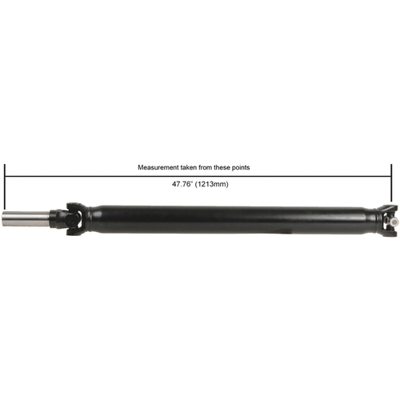 | https://www.cardone.com/product/driveshaft-prop-shaft-65-1008

